Sheet1
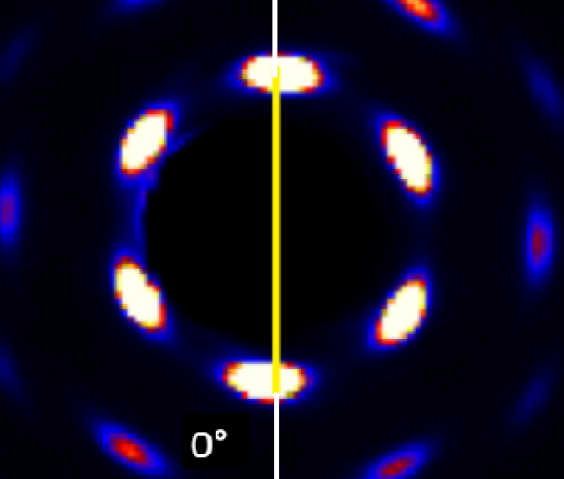
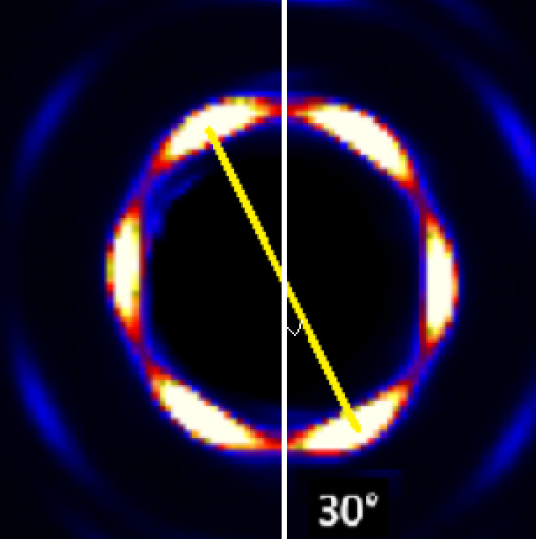
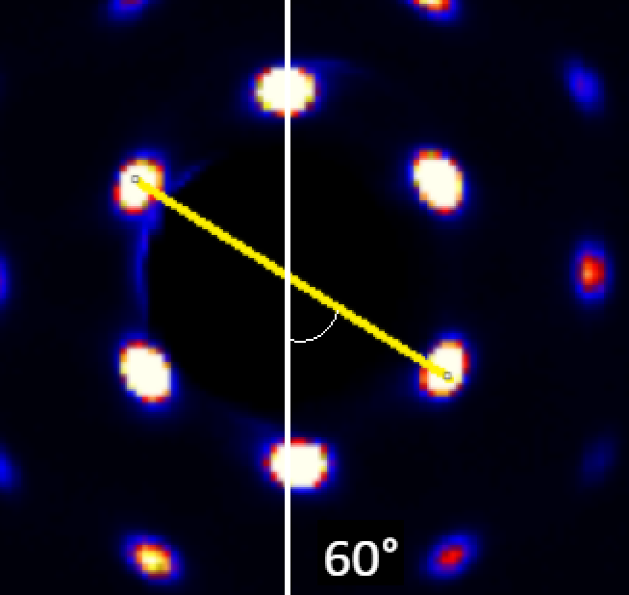
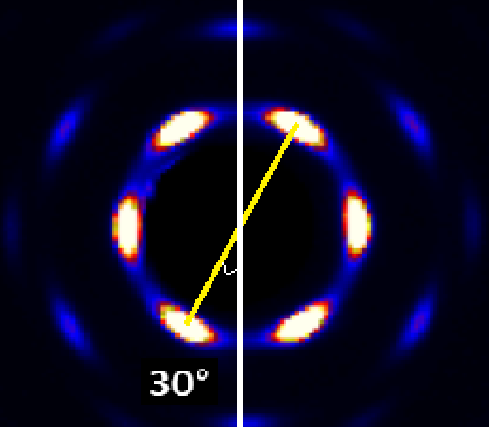
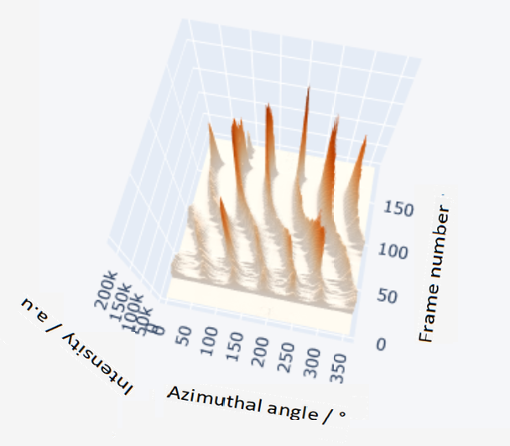
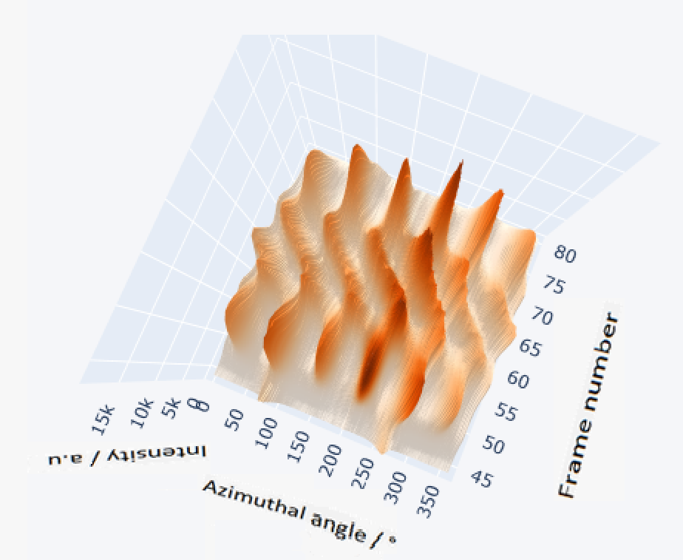
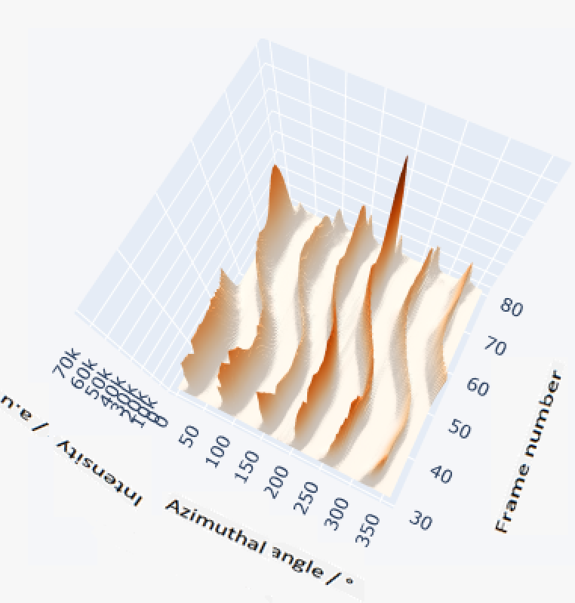
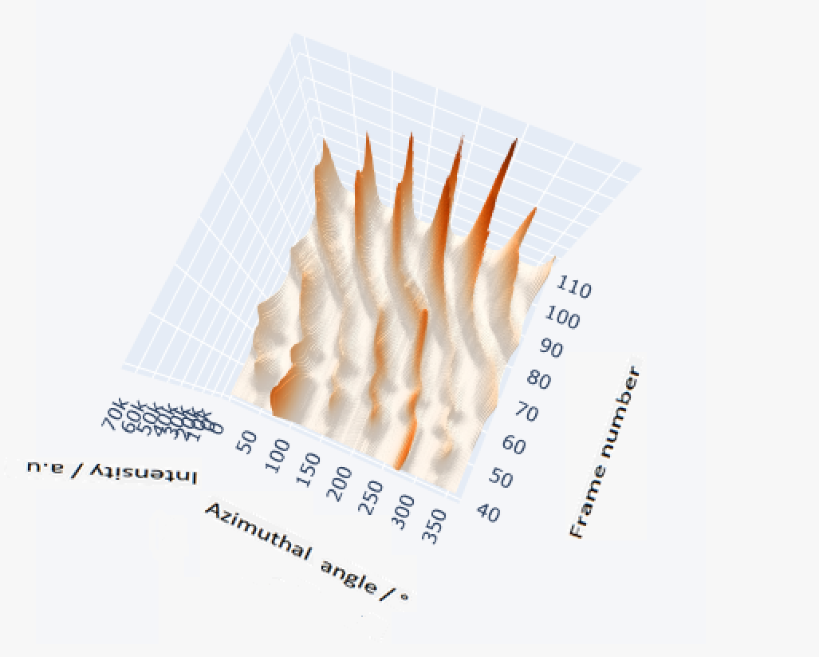
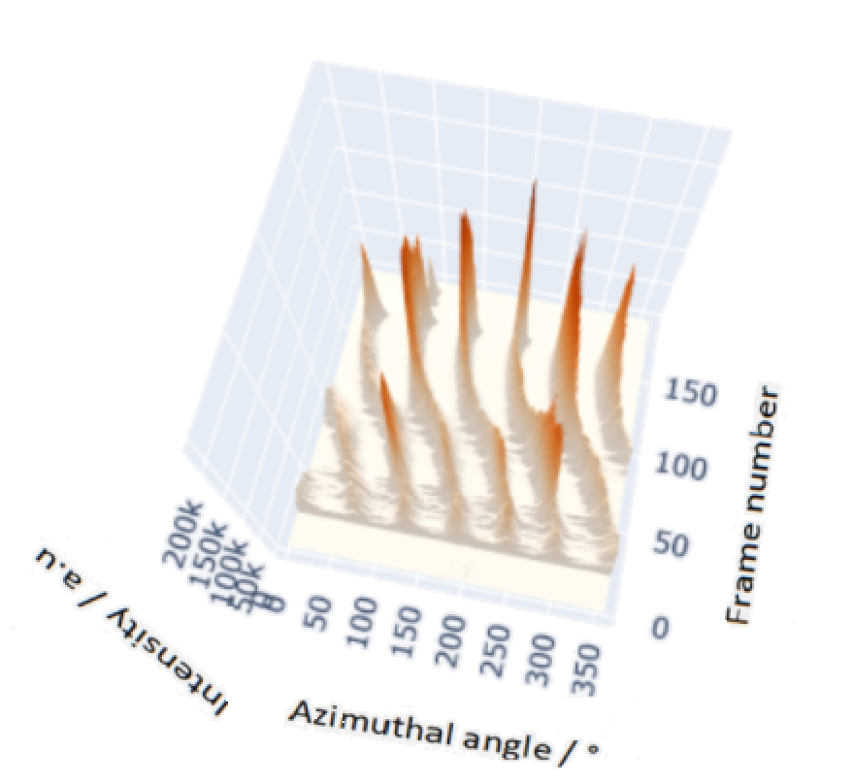
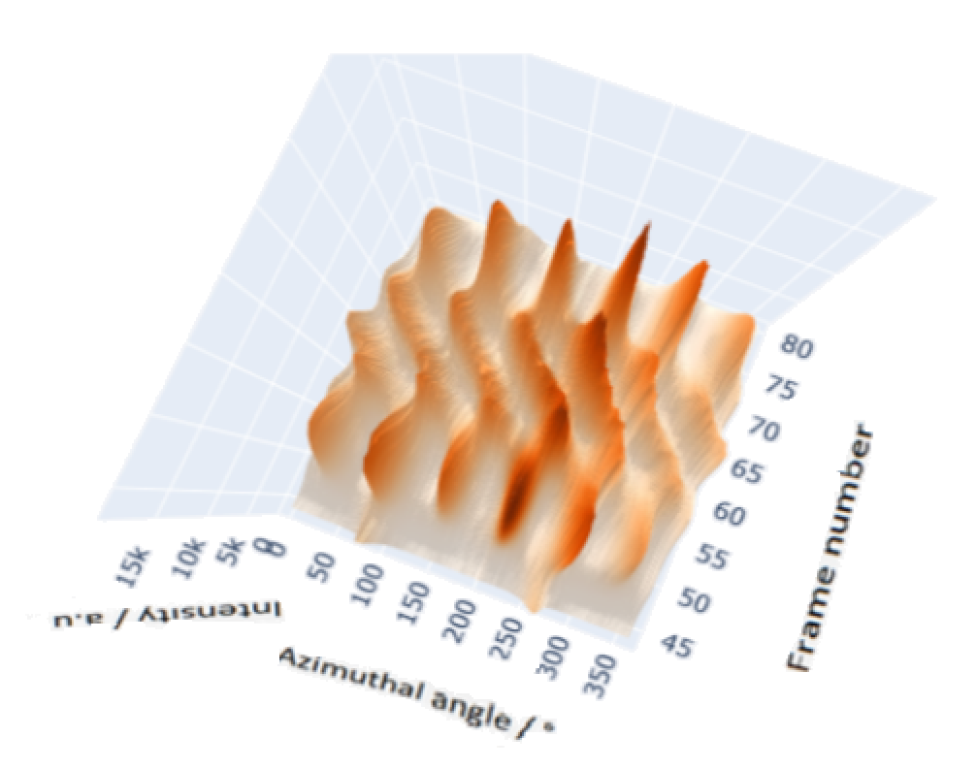
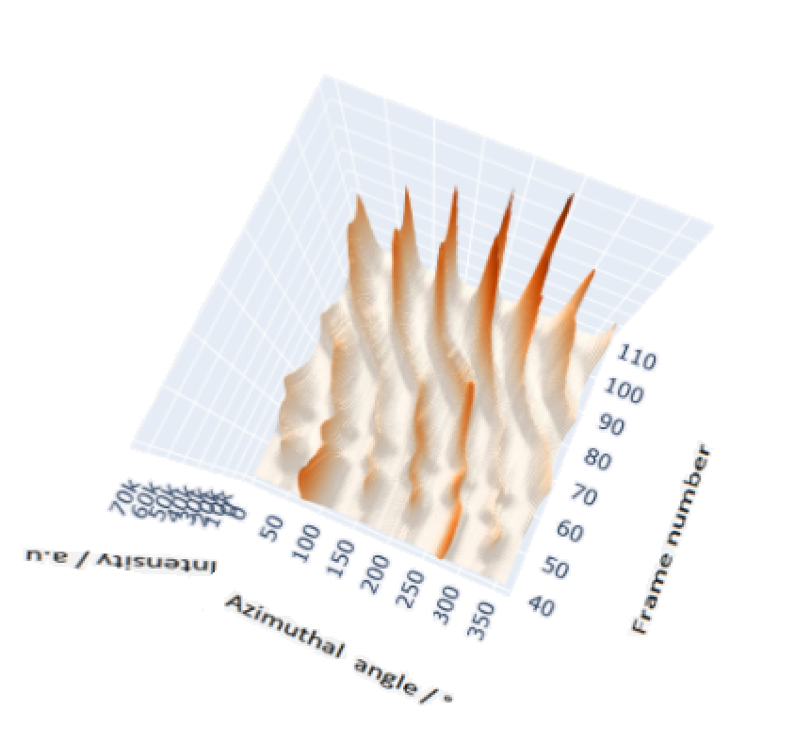
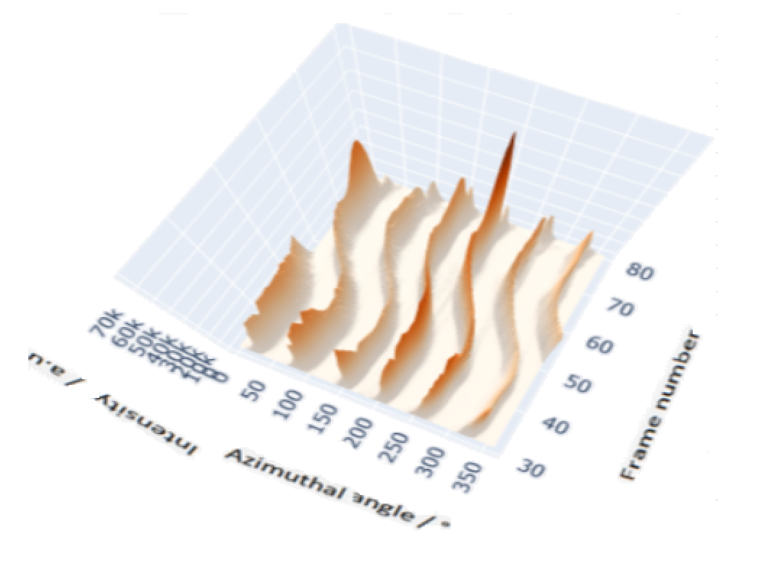
DEG | 0.0095863444093 | 0.019028206266 | 0.028470068122 | 0.037911929979 | 0.047353791835 | 0.056795653692 | 0.066237515549 | 0.075679377405 | 0.085121239262 | 0.094563101118 | 0.10400496297 | 0.11344682483 | 0.12288868669 | 0.13233054854 | 0.1417724104 | 0.15121427226 | 0.16065613411 | 0.17009799597 | 0.17953985783 | 0.18898171968 | 0.19842358154 | 0.2078654434 | 0.21730730525 | 0.22674916711 | 0.23619102897 | 0.24563289082 | 0.25507475268 | 0.26451661454 | 0.27395847639 | 0.28340033825 | 0.29284220011 | 0.30228406196 | 0.31172592382 | 0.32116778568 | 0.33060964753 | 0.34005150939 | 0.34949337124 | 0.3589352331 | 0.36837709496 | 0.37781895681 | 0.38726081867 | 0.39670268053 | 0.40614454238 | 0.41558640424 | 0.4250282661 | 0.43447012795 | 0.44391198981 | 0.45335385167 | 0.46279571352 | 0.47223757538 | 0.48167943724 | 0.49112129909 | 0.50056316095 | 0.51000502281 | 0.51944688466 | 0.52888874652 | 0.53833060838 | 0.54777247023 | 0.55721433209 | 0.56665619395 | 0.5760980558 | 0.58553991766 | 0.59498177951 | 0.60442364137 | 0.61386550323 | 0.62330736508 | 0.63274922694 | 0.6421910888 | 0.65163295065 | 0.66107481251 | 0.67051667437 | 0.67995853622 | 0.68940039808 | 0.69884225994 | 0.70828412179 | 0.71772598365 | 0.72716784551 | 0.73660970736 | 0.74605156922 | 0.75549343108 | 0.76493529293 | 0.77437715479 | 0.78381901665 | 0.7932608785 | 0.80270274036 | 0.81214460222 | 0.82158646407 | 0.83102832593 | 0.84047018778 | 0.84991204964 | 0.8593539115 | 0.86879577335 | 0.87823763521 | 0.88767949707 | 0.89712135892 | 0.90656322078 | 0.91600508264 | 0.92544694449 | 0.93488880635 | 0.94433066821 | 0.95377253006 | 0.96321439192 | 0.97265625378 | 0.98209811563 | 0.99153997749 | 1.0009818393 | 1.0104237012 | 1.0198655631 | 1.0293074249 | 1.0387492868 | 1.0481911486 | 1.0576330105 | 1.0670748723 | 1.0765167342 | 1.0859585961 | 1.0954004579 | 1.1048423198
158 | 0 | 0 | 0 | 0 | 0 | 0 | 0 | 0 | 0 | 0 | 0 | 0 | 0 | 0 | 0 | 0 | 0 | 0 | 0 | 853.96018959 | 1097.3397414 | 2130.855873 | 8601.2566039 | 32092.977491 | 77785.447481 | 109054.9066 | 83916.710093 | 38472.026822 | 10979.299148 | 2397.8727556 | 942.05511979 | 679.96135347 | 0 | 0 | 0 | 0 | 0 | 696.28337061 | 846.20586168 | 1510.2738132 | 4139.074025 | 9591.2255396 | 12932.976716 | 10591.895873 | 7531.5654034 | 2998.0370119 | 1118.0940895 | 895.64131265 | 1411.7283611 | 2134.5507212 | 2872.1421034 | 3279.4145949 | 2591.1462355 | 1566.6773367 | 903.66604923 | 697.87286381 | 0 | 0 | 0 | 0 | 0 | 0 | 0 | 0 | 0 | 0 | 0 | 0 | 0 | 676 | 676 | 0 | 0 | 0 | 709.59149421 | 770.61126569 | 830.31787227 | 829.47474627 | 752.98682967 | 685.56321808 | 0 | 0 | 0 | 0 | 724.72573197 | 707.43031159 | 675.21215417 | 652 | 0 | 0 | 0 | 0 | 0 | 0 | 0 | 0 | 0 | 0 | 0 | 0 | 0 | 0 | 0 | 0 | 0 | 0 | 0 | 0 | 0 | 0 | 0 | 0 | 0 | 0 | 0 | 0 | 0
 | 0 | 0 | 0 | 0 | 0 | 0 | 0 | 0 | 0 | 0 | 0 | 0 | 0 | 0 | 0 | 0 | 0 | 0 | 0 | 253.9601896 | 497.3397414 | 1530.855873 | 8001.256604 | 31492.97749 | 77185.44748 | 108454.9066 | 83316.71009 | 37872.02682 | 10379.29915 | 1797.872756 | 342.0551198 | 79.96135347 | 0 | 0 | 0 | 0 | 0 | 96.28337061 | 246.2058617 | 910.2738132 | 3539.074025 | 8991.22554 | 12332.97672 | 9991.895873 | 6931.565403 | 2398.037012 | 518.0940895 | 295.6413127 | 811.7283611 | 1534.550721 | 2272.142103 | 2679.414595 | 1991.146235 | 966.6773367 | 303.6660492 | 97.87286381 | 0 | 0 | 0 | 0 | 0 | 0 | 0 | 0 | 0 | 0 | 0 | 0 | 0 | 676 | 676 | 0 | 0 | 0 | 109.5914942 | 170.6112657 | 230.3178723 | 229.4747463 | 152.9868297 | 85.56321808 | 0 | 0 | 0 | 0 | 124.725732 | 107.4303116 | 75.21215417 | 52 | 0 | 0 | 0 | 0 | 0 | 0 | 0 | 0 | 0 | 0 | 0 | 0 | 0 | 0 | 0 | 0 | 0 | 0 | 0 | 0 | 0 | 0 | 0 | 0 | 0 | 0 | 0 | 0 | 0

 |  |  |  |  |  |  |  |  |  |  |  |  |  |  |  |  |  |  |  |  |  |  |  |  |  | zoom in for higher order
Peak positions
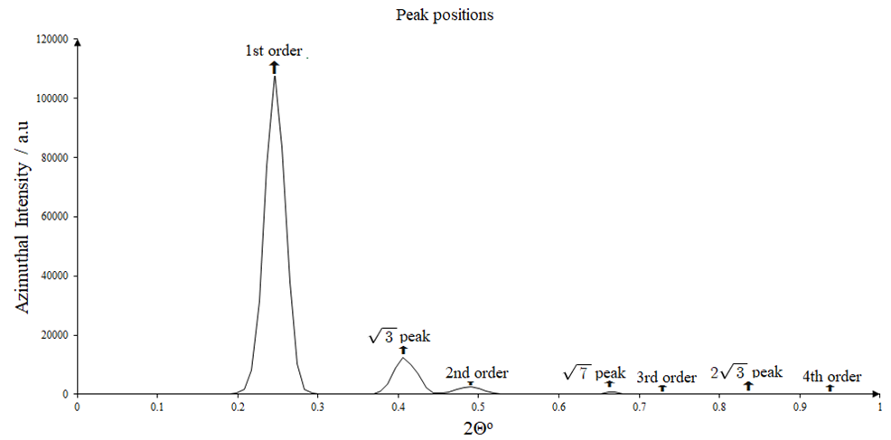

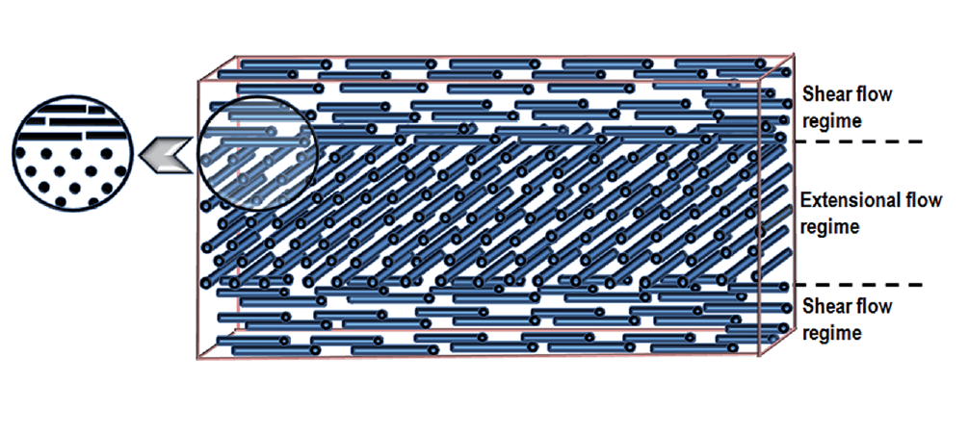

 |  |  |  |  |  |  |  |  |  |  |  |  |  |  |  |  |  |  |  |  |  |  |  |  |  |  | same file and sample as that for rotation images

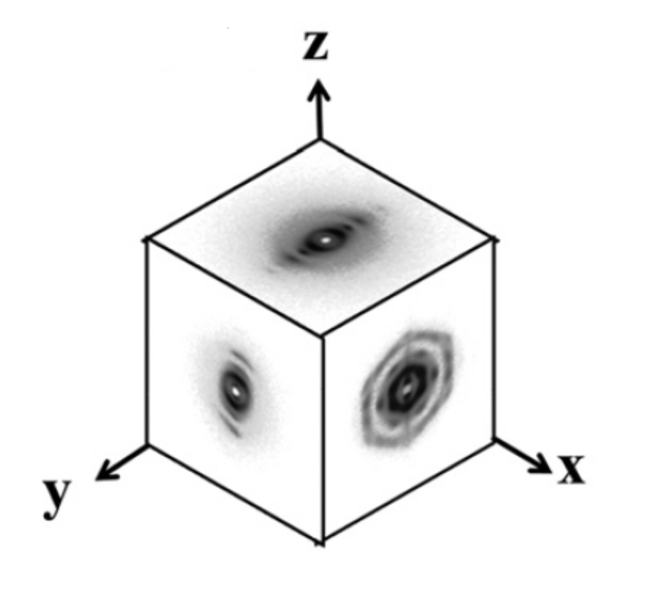
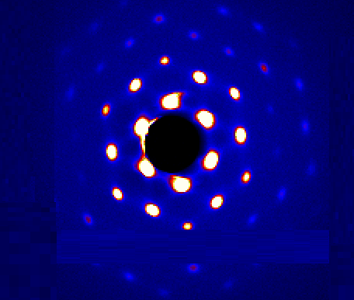

 |  |  |  |  |  | image of disc

for rotation

 |  |  |  |  |  |  |  |  |  |  |  |  |  |  |  |  |  |  |  |  |  |  |  |  |  |  |  |  |  |  | 2/3 in sample
 |  |  |  |  |  |  |  |  |  | 1/3 in sample |  |  |  |  |  |  |  |  |  |  | halfway in sdampel |  |  |  |  |  |  |  |  |  | 120 deg clockwise |  |  |  |  |  |  |  |  |  |  | sample fin
 | sample 14 file 610 |  |  |  |  |  |  |  |  | 30 deg rot clockwise
 |  | basis |  |  |  |  |  |  |  |  |  |  |  |  |  |  |  |  |  |  | 60 deg clockwise

 |  |  | Angle relative to downward vertical |  |  |  |  |  |  |  |  |  | distance from surface for frames

